Sheet1
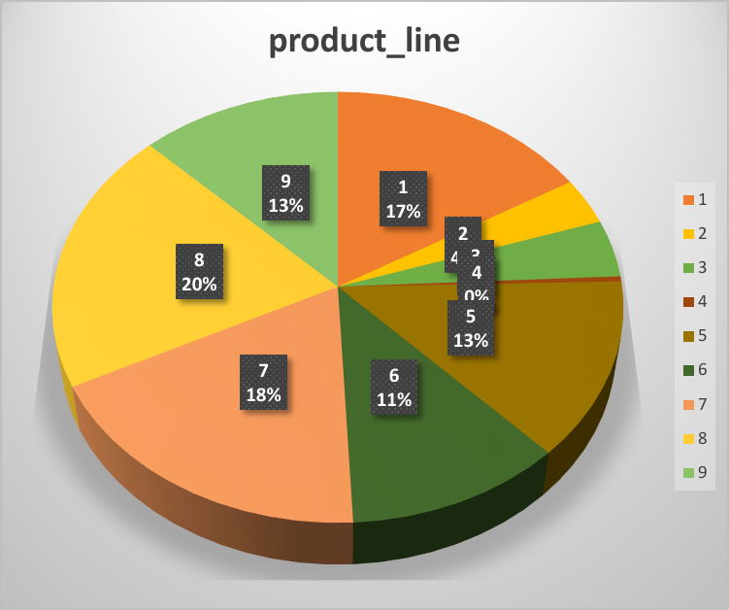
purchase_date | purchase_time | product_line | unit_price | quantity | tax_amount | customer_gender
2023-11-07 | 14:26:15 | 42 | 30.4 | 5 | 24.32 | male
2021-03-30 | 11:18:46 | 9 | 36.11 | 1 | 5.78 | male
2024-02-10 | 19:12:43 | 11 | 28.82 | 6 | 27.67 | male
2019-08-04 | 8:23:31 | 1 | 26.18 | 2 | 8.38 | male
2016-09-29 | 14:38:22 | 34 | 46.31 | 2 | 14.82 | male
2019-02-05 | 6:23:35 | 29 | 95.33 | 1 | 15.25 | female
2024-11-30 | 6:45:26 | 47 | 62.5 | 4 | 40 | female
2022-12-19 | 12:17:32 | 51 | 9.65 | 5 | 7.72 | female
2022-08-23 | 9:01:10 | 32 | 42.73 | 10 | 68.37 | female

